Hedging Reconcilation
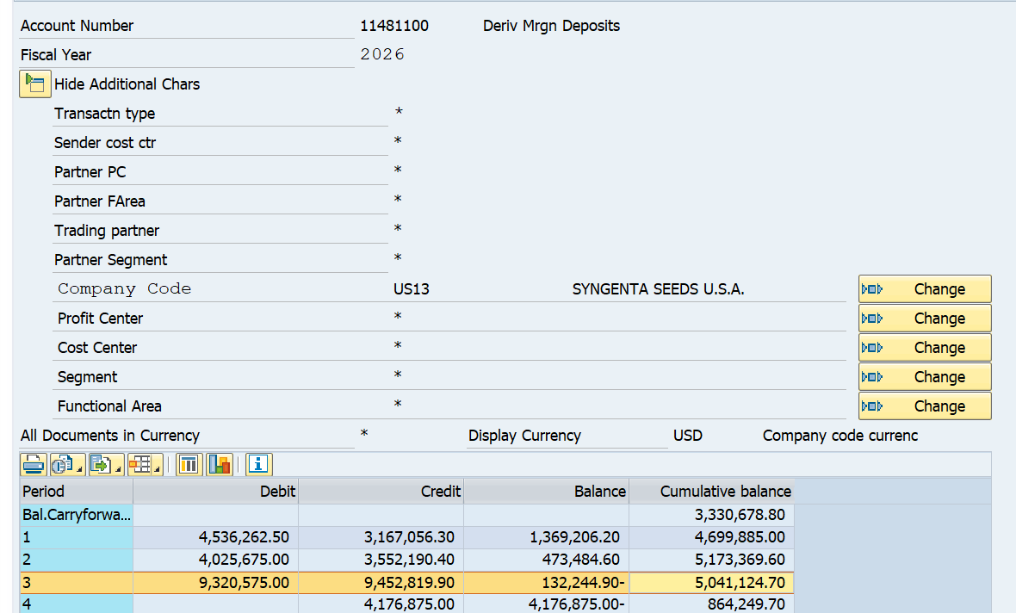
 |  |  | 1 | 2 | 3 | 4 | 5 | 6 | 7 | 8 | 9 | 10 | 11 | 12
 |  |  | Jan-26 | Feb-26 | Mar-26 | Apr-26 | May-26 | Jun-26 | Jul-26 | Aug-26 | Sep-26 | Oct-26 | Nov-26 | Dec-26

J4063 | 23/25 Corn | Beg Bal | 1,350,274.26 | 2,040,493.16 | 2,228,807.56
J4063 | 23/25 Corn
J4063 | 23/25 Corn | Rev Mkt | 68,662.50 | 353,512.50 | (213,137.50)
J4063 | 23/25 Corn | WT | 1,000,000.00 | - | -
J4063 | 23/25 Corn | P&L | (24,612.50) | (369,875.00) | 154,550.00
J4063 | 23/25 Corn | Fee/Comm | (318.60) | (8,460.60) | (1,398.30)
J4063 | 23/25 Corn | Mkt | (353,512.50) | 213,137.50 | 265,362.50
J4063 | 23/25 Corn | End Bal | 2,040,493.16 | 2,228,807.56 | 2,434,184.26

J4065 | 24 Corn | Beg Bal | 0.00 | 0.00
J4065 | 24 Corn
J4065 | 24 Corn | Rev Mkt | - | -
J4065 | 24 Corn | WT
J4065 | 24 Corn | P&L
J4065 | 24 Corn | Fee/Comm
J4065 | 24 Corn | Mkt
J4065 | 24 Corn | End Bal | 0.00 | 0.00

J4066 | 22 Corn | Beg Bal | 1,125,036.32 | 1,039,280.37 | 1,639,488.77
J4066 | 22 Corn
J4066 | 22 Corn | Rev Mkt | (131,775.00) | (55,200.00) | (655,050.00)
J4066 | 22 Corn | WT
J4066 | 22 Corn | P&L | (5,225.00) | 500.00 | 125,212.50
J4066 | 22 Corn | Fee/Comm | (3,955.95) | (141.60) | (1,336.35)
J4066 | 22 Corn | Mkt | 55,200.00 | 655,050.00 | 1,145,737.50
J4066 | 22 Corn | End Bal | 1,039,280.37 | 1,639,488.77 | 2,254,052.42

J4073 | US 2023 SOYBEANS | Beg Bal
J4073 | US 2023 SOYBEANS
J4073 | US 2023 SOYBEANS | Rev Mkt
J4073 | US 2023 SOYBEANS | WT
J4073 | US 2023 SOYBEANS | P&L
J4073 | US 2023 SOYBEANS | Fee/Comm
J4073 | US 2023 SOYBEANS | Mkt
J4073 | US 2023 SOYBEANS | End Bal | - | -

J4078 | US 2024 SOYBEANS | Beg Bal
J4078 | US 2024 SOYBEANS
J4078 | US 2024 SOYBEANS | Rev Mkt
J4078 | US 2024 SOYBEANS | WT
J4078 | US 2024 SOYBEANS | P&L
J4078 | US 2024 SOYBEANS | Fee/Comm
J4078 | US 2024 SOYBEANS | Mkt | - | -
J4078 | US 2024 SOYBEANS | End Bal | - | -

J4080 | US 2025 SOYBEANS | Beg Bal | 832,611.74 | (0.00) | (0.00)
J4080 | US 2025 SOYBEANS
J4080 | US 2025 SOYBEANS | Rev Mkt | 141,950.00 | - | -
J4080 | US 2025 SOYBEANS | WT | (872,302.64)
J4080 | US 2025 SOYBEANS | P&L | (101,675.00) | - | -
J4080 | US 2025 SOYBEANS | Fee/Comm | (584.10) | - | -
J4080 | US 2025 SOYBEANS | Mkt
J4080 | US 2025 SOYBEANS | End Bal | (0.00) | (0.00)

J4073 | US 2023 SOYBEANS DUMPS | Beg Bal | (319,428.32) | 697,372.67 | 704,521.47
J4073 | US 2023 SOYBEANS DUMPS
J4073 | US 2023 SOYBEANS DUMPS | Rev Mkt | 318,537.50 | (30,600.00) | 152,737.50
J4073 | US 2023 SOYBEANS DUMPS | WT | 872,302.64
J4073 | US 2023 SOYBEANS DUMPS | P&L | (202,612.50) | 196,787.50 | (113,725.00)
J4073 | US 2023 SOYBEANS DUMPS | Fee/Comm | (2,026.65) | (6,301.20) | (2,221.35)
J4073 | US 2023 SOYBEANS DUMPS | Mkt | 30,600.00 | -152,737.50 | 5,900.00
J4073 | US 2023 SOYBEANS DUMPS | End Bal | 697,372.67 | 704,521.47 | 747,212.62

J4079 | US 2023 SOYBEANS DUMPS | Beg Bal | 339,847.30 | 915,176.30 | 600,551.30
J4079 | US 2023 SOYBEANS DUMPS
J4079 | US 2023 SOYBEANS DUMPS | Rev Mkt | (344,125.00) | (921,312.50) | (2,606,687.50)
J4079 | US 2023 SOYBEANS DUMPS | WT |  | (2,000,000.00) | (2,000,000.00)
J4079 | US 2023 SOYBEANS DUMPS | P&L |  |  | 855,600.00
J4079 | US 2023 SOYBEANS DUMPS | Fee/Comm | (1,858.50) | - | (3,663.90)
J4079 | US 2023 SOYBEANS DUMPS | Mkt | 921,312.50 | 2,606,687.50 | 2,759,875.00
J4079 | US 2023 SOYBEANS DUMPS | End Bal | 915,176.30 | 600,551.30 | (394,325.10)

 | EB | Corn | 3,079,773.53 | 3,868,296.33 | 4,688,236.68
 |  | Beans | 1,612,548.97 | 1,305,072.77 | 352,887.52
 |  |  | 4,692,322.50 | 5,173,369.10 | 5,041,124.20
11481100 | SAP | Corn | 5,087,336.03 | 5,868,296.83 | 3,688,237.18
 |  | Beans | (387,451.03) | (694,927.23) | 1,352,887.52
 |  |  | 4,699,885.00 | 5,173,369.60 | 5,041,124.70
 | DIFFERENCE | Corn | (2,007,562.50) | (2,000,000.50) | 999,999.50
 |  | Beans | 2,000,000.00 | 2,000,000.00 | (1,000,000.00)

 |  |  | (7,562.50) | (0.50) | (0.50)
 |  |  | OK | OK | OK

 | faglb03
 |  | CORN | 11481100

